TEDB Edition 40
The price of a gallon of gasoline changes depending on different price components, including taxes, distribution and marketing, refining, and crude oil. The largest component of gasoline price is crude oil. The cost of refining and the cost of crude oil are the most variable over the series.

Figure 11.5. Gasoline Price Components, 2000–2020
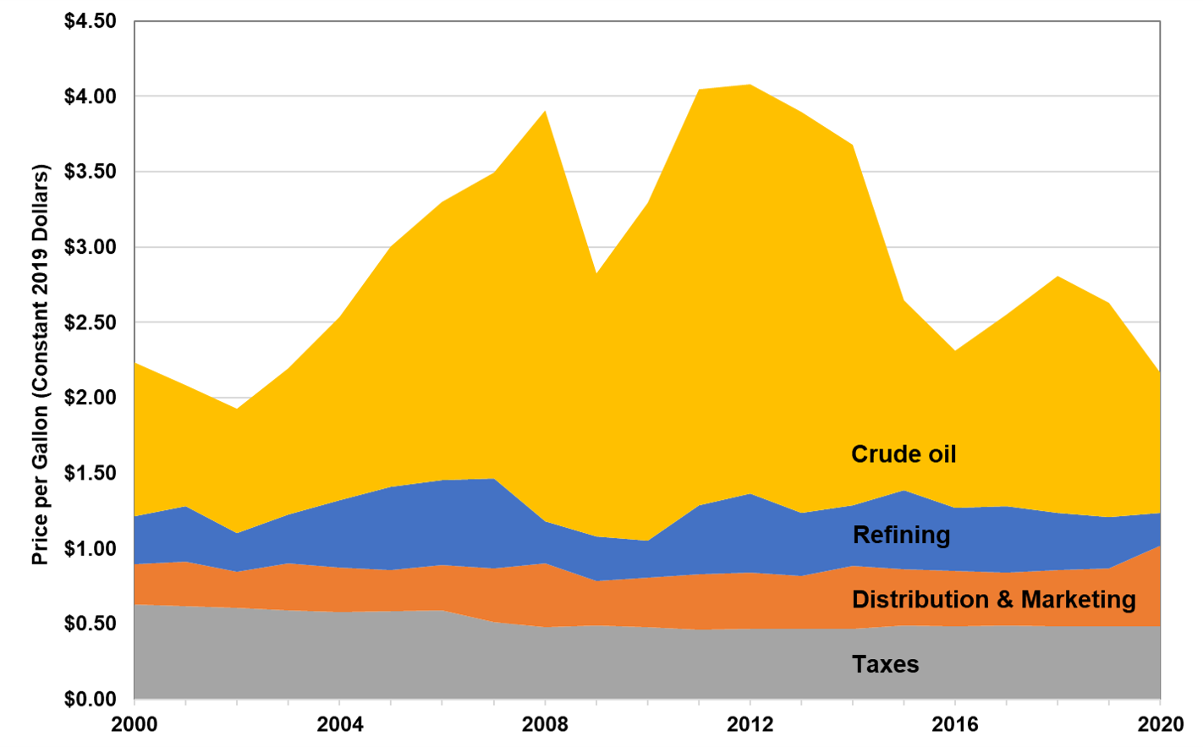

 | Constant 2020 dollars
Year | Refining | Distribution & Marketing | Taxes | Crude Oil | Total
2000 | $0.32 | $0.27 | $0.63 | $1.02 | $2.23
2001 | $0.37 | $0.30 | $0.62 | $0.80 | $2.08
2002 | $0.26 | $0.24 | $0.60 | $0.82 | $1.93
2003 | $0.32 | $0.31 | $0.59 | $0.97 | $2.19
2004 | $0.44 | $0.30 | $0.58 | $1.22 | $2.53
2005 | $0.55 | $0.27 | $0.58 | $1.59 | $3.00
2006 | $0.57 | $0.30 | $0.59 | $1.84 | $3.30
2007 | $0.60 | $0.36 | $0.51 | $2.03 | $3.49
2008 | $0.28 | $0.42 | $0.48 | $2.73 | $3.91
2009 | $0.30 | $0.30 | $0.49 | $1.75 | $2.83
2010 | $0.25 | $0.33 | $0.48 | $2.24 | $3.29
2011 | $0.46 | $0.37 | $0.46 | $2.76 | $4.04
2012 | $0.52 | $0.37 | $0.47 | $2.71 | $4.08
2013 | $0.42 | $0.36 | $0.47 | $2.66 | $3.89
2014 | $0.40 | $0.42 | $0.46 | $2.39 | $3.68
2015 | $0.52 | $0.37 | $0.49 | $1.26 | $2.64
2016 | $0.42 | $0.37 | $0.48 | $1.05 | $2.31
2017 | $0.44 | $0.35 | $0.49 | $1.27 | $2.55
2018 | $0.38 | $0.38 | $0.48 | $1.57 | $2.81
2019 | $0.34 | $0.39 | $0.48 | $1.42 | $2.63
2020 | $0.21 | $0.54 | $0.48 | $0.93 | $2.17

Note: Based on regular motor gasoline in all areas. Annual averages were created from monthly component price data.

Source:
Energy Information Administration, Gasoline and Diesel Fuel Update, Gasoline Pump Components History, https://www.eia.gov/petroleum/gasdiesel/gaspump_hist.php.
(Additional resources: www.eia.gov/petroleum/gasdiesel)

